Magnetorquer Control
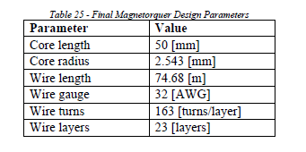

Power | 600 | mW | P = V*I
Voltage | 5 | V | V= I*R
Current | 0.1200 | A
Required Resistance of Coil | 41.67 | Ω
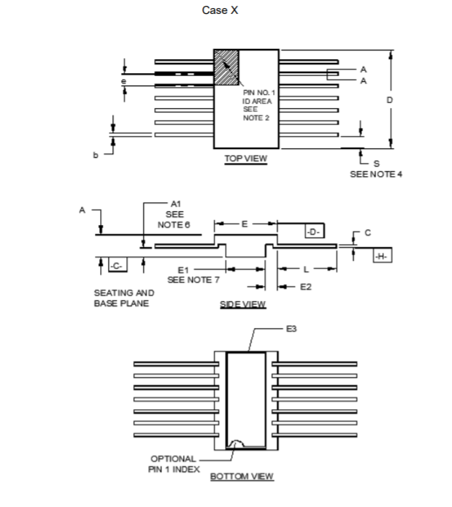
Length of Coil | 101.067 | m | R = p*l/A
resistivity of wire | 1.68E-08 | Ωm
Diameter of Wire | 0.0002305 | m
Area of wire | 4.1728365524E-08 | m^2
Resistance of Coil | 40.69 | Ω

Length of Coil | 76.26 | m
resistivity of wire | 1.68E-08 | Ωm
Diameter of Wire | 0.0002305 | m
Area of wire | 4.1728365524E-08 | m^2
Resistance of Coil | 30.70 | Ω

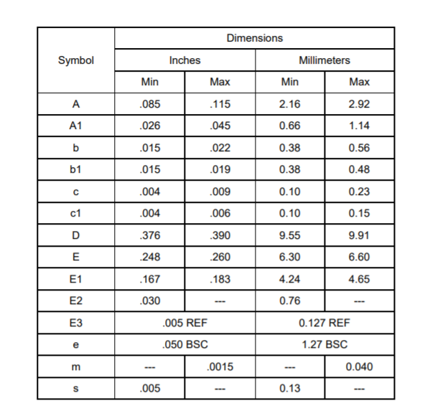
Any additional resistor required to control current? No

Load switch vs Discreet MOSFET
https://www.ti.com/lit/an/slva716a/slva716a.pdf?ts=1601054744322&ref_url=https%253A%252F%252Fwww.google.com%252F
Load Switches for Control information

TLDR: Load switches will be smaller but more expensive (which we are struggling for space anyway)

Load switches possible:
https://www.renesas.com/us/en/products/space-harsh-environment/rad-hard-power/rh-load-switches/device/ISL73061SEH.html#overviewInfo

Issue is that we would need at least 3 devices
(d) x (2L+E) x (A) | 9.91 x 23.45 x 2.92 mm

 |  |  |  | L = 9.4mm

Alternative: BJT Control
https://electronics.stackexchange.com/questions/260995/changing-a-3-3v-signal-to-a-5v-signal-using-a-bjt-transistor
BJT control shouldn't be hard to design but will likely have

